ORAL
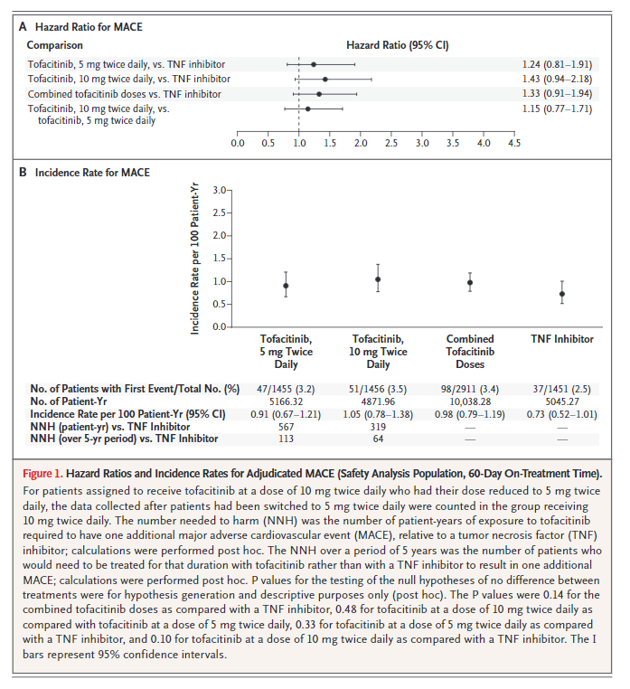
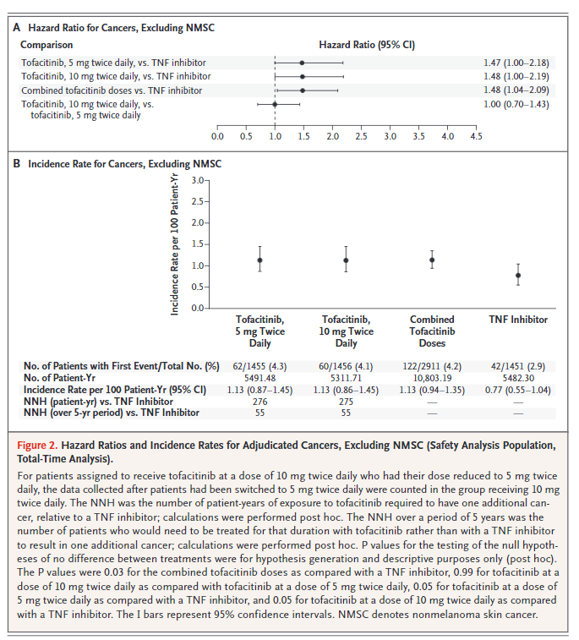
EXPOSURE vs. COMPARISON
Trial | Tofacitinib, 5mg twice daily vs. Tofacitinib, 10mg twicd daily vs.TNF inhibitor
TROY | Tofacitinib vs. TNF inhibitor
PRIMARY OUTCOME (3P MACE)
Trial | 3P MACE | Trial findings:
TROY
PRIMARY OUTCOME (NMSC cancer)
Trial | NMSC Cancer | Trial findings:
TROY
FOLLOW-UP PERIOD
Trial | 63 Months
COHORT PHENOTYPE (LEADER)
Target
Comparator
COHORT PHENOTYPE (FDA-approved indication)
Target
Comparator
Inclusion criteria
1 | Had evidence of a personally signed and dated informed consent form indicating that the patient (or a legal representative) had been informed of all pertinent aspects of the trial
2 | Were aged ≥50 years
3 | Had moderate or severe rheumatoid arthritis inadequately controlled with methotrexate alone with a score of ≥6 on the 2010 American College of Rheumatology (ACR)/European Alliance of Associations for Rheumatology classification criteria for rheumatoid arthritis
4 | Had ≥6 tender/painful joints on motion and ≥6 swollen joints (28 joint counts)
5 | Had a C-reactive protein (CRP) level measured by a high-sensitivity assay of ≥0.3mg/dL in a central laboratory
6 | Met Class I, II, or III of the ACR 1991 revised criteria for global functional status in rheumatoid arthritis, where usual self-care activities (dressing, feeding, bathing, grooming, and toileting); and avocational (recreational and/or leisure) and vocational (work, school, homemaking) activities are patient-desired and age-and sex-specific
 | a) | Class I: completely able to perform usual activities of daily living (self-care, vocational, and avocational)
 | b) | Class II: able to perform usual self-care and vocational activities, but limited in avocational activities
 | c) | Class III: able to perform usual self-care activities, but limited in vocational and avocational activities
7 | Had taken methotrexate continuously for ≥4 months prior to the screening visit and taken a stable weekly dose of methotrexate with supplemental folic acid or folinic acid for ≥6 weeks prior to the baseline visit
 | a) | Methotrexate doses <15 mg/week were permitted only in the presence of documented intolerance or toxicity from higher doses
 | b) | Doses >25 mg/week were not permitted under any circumstances
 | c) | Folic acid doseswere ≥5 mg/week; folinic acid doses were ≥2.5 mg/week
8 | Had ≥1 of the following cardiovascular risk factors at screening:
 | a) | Current cigarette smoker
 | b) | Diagnosis of hypertension
 | c) | High-density lipoprotein <40 mg/dL
 | d) | Diabetes mellitus
 | e) | Family history of premature coronary heart disease (CHD); the family history was considered positive for premature CHD if clinical CHD or sudden death was documented in a first degree male relative aged <55 years or in a first degree female relative aged <65 years
 | f) | Presence of extra-articular disease associated with rheumatoid arthritis, which may have included nodules, Sjögren’s syndrome, anemia of chronic disease and pulmonary manifestations, among others
 | g) | History of coronary artery disease including a history of revascularization procedure, coronary artery bypass grafting, myocardial infarction, cardiac arrest, unstable angina, or acute coronary syndrome
9 | Must have been willing and able to comply with scheduled visits, the treatment plan, laboratory tests,and other trial procedures
10 | Male and female patients of childbearing potential must have agreed to use a highly effective method of contraception throughout the trial and for ≥28 days after the last dose of the assigned treatment. A patient was of childbearing potential if, in the opinion of the investigator, he or she was biologically capable of having children and was sexually active
 | a) | Patients in Canada who were females of childbearing potential and sexually active must have used two contraceptive methodsat the same time: one highly effective contraceptive method and one additional effective contraceptive method
 | b) | (i) | Highly effective contraceptive methods included hormonal contraceptives (e.g., combined oral contraceptives, patch, vaginal ring, injectables, and implants), intrauterine device or intrauterine system, vasectomy, or tubal ligation
 | c) | (ii) | Effective methods included barrier methods of contraception (e.g., male condom, female condom, cervical cap, diaphragm, or contraceptive sponge). The proper use of diaphragm or cervical cap included use of spermicide and was considered one barrier method. The cervical cap and contraceptive sponge are less effective in parous women. The use of spermicide alone was not considered a suitable barrier for contraception
11 | Female patients of childbearing potential must have tested negative for pregnancy
12 | Female patients who were not of childbearing potential must have met ≥1 of the following criteria:
 | a) | Had undergone a documented hysterectomy and/or bilateral oophorectomy
 | b) | Have medically confirmed ovarian failure, or
 | c) | Achieved postmenopausal status, which was defined as cessation of regular menses for ≥12 consecutive months with no alternative pathological or physiological cause; and have a serum follicle-stimulating hormone level within the laboratory’s reference range for postmenopausal females
13 | Patients must screen negative for active tuberculosis or inadequately treated tuberculosis infection (active or latent), as evidenced by the following:
 | a) | Negative QuantiFERON Gold®TMIn-Tube test performed at screening:
 |  | (i) | This was required unless the patient had been adequately treated for active or latent tuberculosis, or a negative QuantiFERON Gold®TMIn-Tube test (QIAGEN, Hilden, Germany) had been previously performed and documented ≤3 months prior to screening
 |  | (ii) | A negative tuberculin skin test was one that was <5 mm induration and could be substituted for the QuantiFERON Gold®TMIn-Tube test, only if the central laboratory was unable to perform the test or the test was reported as indeterminate after ≥2 successive attempts
 |  | (iii) | It was strongly recommended that patients with a history of Bacillus Calmette Guérin vaccination be tested with the QuantiFERON Gold®TMIn-Tube test
 | b) | Chest radiograph taken at screening without changes suggestive of active tuberculosis infection, unless previously performed and documented ≤3months before screening
 | c) | No history of tuberculosis infection, unless one of the following was documented:
 |  | (i) | Patients with prior or current latent tuberculosis had no evidence of active tuberculosis and must have been taking or completed an adequate course of therapy for latent tuberculosis (9 months of isoniazid in a locale where the rate of primary multi-drug resistant tuberculosis was <5% or an alternative regimen recognized by the World Health Organization), and chest radiographs were negative for active disease; the chest radiographs must have been obtained at screening or, if previously performed and documented, ≤3 months before screening
 |  | (ii) | Patients with prior active tuberculosis had no current evidence of active disease and had completed an adequate course of therapy for active tuberculosis (a multi-drug regimen recognized by the World Health Organization), and chest radiographs were negative for active disease; the chest radiographs must have been obtained at screening or, if previously performed and documented, ≤3 months before screening

Exclusion criteria
1 | Patients who were investigational site staff members directly involved in the conduct of the trial, their family members, site staff members otherwise supervised by the investigator, or patients who were sponsor employees directly involved in the conduct of the trial
2 | Patients who were classified Class IV of the ACR 1991 revised criteria for global functional status in rheumatoid arthritis
 | a) | Class IV: limited ability to perform usual self-care, vocational, and avocational activities
3 | Pregnant females; breastfeeding females; and sexually active males and females of childbearing potential who were unwilling or unable to use a highly effective method of contraception as outlined in this protocol for the duration of the trial and for ≥28days after the last dose of the investigational product
4 | Patients who had any of the following infections or infection history:
 | a) | Any infection requiring treatment ≤2 weeks prior to the baseline visit
 | b) | Any infection requiring hospitalization, parenteral antimicrobial therapy, or otherwise judged as clinically significant by the investigator, within ≤6months
 | c) | Infected joint prosthesis at any time with the prosthesis still in situ
 | d) | Recurrent (>1 episode) herpes zoster or disseminated (1 episode) herpes zoster or disseminated (1 episode) herpes simplex
 | e) | Patients were screened for human immunodeficiency virus (HIV). Patients who tested positive for HIV were excluded from the trial
 | f) | Patients were screened for hepatitis B virus infection. Patients who tested negative for hepatitis B surface antigen but positive for hepatitis B core antibody must have had further testing for hepatitis B surface antibody (HBsAb). If HBsAb was negative, the patient was excluded from the trial
 | g) | Patients were screened for hepatitis C virus antibodies (HCV Ab). Patients with positive HCV Ab tests were reflex tested for hepatitis C virus ribonucleic acid (HCV RNA). Only patients with negative HCV Ab or HCV RNA were permitted to enroll in the trial
 | h) | Patients were excluded for current active tuberculosis infection or prior active or latent tuberculosis that was inadequately treated or could not be documented
5 | Patients with any current malignancy or history of malignancy, with the exception of adequately treated or excised nonmetastatic basal cell or squamous cell cancer of the skin or cervical carcinoma in situ
6 | Patients with any uncontrolled clinically significant laboratory abnormality or any of the following laboratory abnormalities:
 | a) | Evidence of hematopoietic disorder or hemoglobin <9 g/dL
 | b) | White blood cell count <3.0 x 109/L (<3000/mm3)
 | c) | Absolute lymphocyte count <0.5 x 109/L (<500/mm3)
 | d) | Absolute neutrophil count <1.0 x 109/L (<1000/mm3)
 | e) | Platelet count <100 x 109/L (<100,000/mm3)
 | f) | Alanine aminotransferase or aspartate aminotransferase >1.5 x the upper limit of normal (ULN)
 | g) | Estimated glomerular filtration rate <60 mL/min using the Cockcroft-Gault formula
 | h) | Specific additional criteria for patients enrolled in the trial in Czech Republic, Spain, and United Kingdom:
 |  | (i) | Absolute lymphocyte count <0.75 x 109/L (<750/mm3)
 |  | (ii) | Absolute neutrophil count <1.2 x 109/L (<1200/mm3)
7 | Participation in other trials involving investigational drug(s) (phases 1–4) ≤4 weeks or 5 half-lives (whichever was longer) after discontinuation of the investigational compound before the current trial began and/or during trial participation
8 | Patients who required or received any prohibited concomitant medication, including:
 | a) | Patients who received live or live attenuated vaccines ≤6 weeks prior to the first dose of trial drug or at any time during treatment or ≤6 weeks following discontinuation of trial drug
 | b) | Patients who were previously treated with tofacitinib
 | c) | Patients who were being treated with biologic or nonbiologic disease-modifying antirheumatic drugs (DMARDs) other than methotrexate or antimalarials withintheir specific washout window at trial entry
 | d) | Patients who previously experienced an inadequate response, intolerance, allergy, or hypersensitivity to adalimumab (United States, Puerto Rico, and Canada) or to etanercept (rest of the world), or for whom adalimumab (United States, Puerto Rico, and Canada) or etanercept (rest of the world) were contraindicated
 | e) | Patients who were being treated with corticosteroids, other than low-dose oral corticosteroids in doses equivalent to prednisone ≤10 mg/day at trial entry
 | f) | Patients who required concomitant treatment with medications that are potent inhibitors of cytochrome P450 3A4 (CYP3A4), both moderate inhibitors of CYP3A4 and potent inhibitors of CYP2C19, or potent CYP inducers
9 | Patients who had Class III or Class IV heart failure according to the New York Heart Association functional classification system
10 | Patients with a screening 12-lead electrocardiogram that demonstrated clinically significant abnormalities requiring urgent treatment (e.g., acute myocardial infarction, serious tachyarrhythmias, or bradyarrhythmias) or that was indicative of serious underlying heart disease (e.g., cardiomyopathy, major congenital heart disease, or low voltage in all leads)
11 | Patients with significant trauma or surgical procedure ≤1 month before the baseline visit
12 | Patients with any rheumatic autoimmune disease other than rheumatoid arthritis or Sjögren’s syndrome
13 | Patients with a first degree relative with a hereditary immunodeficiency
14 | Patients with lymphoproliferative disorders (e.g., Epstein-Barr virus-related lymphoproliferative disorder), a history of lymphoma or leukemia, or signs and symptoms suggestive of current lymphatic disease
15 | Alcohol or substance abuse unless in full remission for >6 months before the first dose of trial drug
16 | Other severe acute or chronic medical or psychiatric conditions or laboratory abnormalities that may have increased the risk associated with trial participation or investigational product administration, or may have interfered with the interpretationof trial results and, in the judgment of the investigator, would have made the patient inappropriate for entry into the trial

